1. Title Page
[Instacart Grocery Basket Analysis]

Project Name: Instacart Grocery Basket Analysis
Date: April 24, 2023
Analyst Name: Joel Perez

Contents:
Population Flow
Consistency checks
Wrangling steps
Column derivations
Visualizations
Recommendations

Data Citatation:
"The Instacart Online Grocery Shopping Dataset 2017", Accessed from “The Instacart Online Grocery Shopping Dataset 2017”, Accessed from https://www.instacart.com/datasets/grocery-shopping-2017 on February 27, 2023.
Customer and Products dataset were fabricated for the purpose of this project.

2. Population Flow
Title page

Population flow

Exclusion flag
Condition: max_order < 5
Obervations to be removed: Customer PII info
2 columns: First name & Last name
Final total count of order_products_all: 3,0964,564

Orders_products_combined
Orders_products_merged
Orders_products_all

Total: 32,404,859
Total: 32,434,489
Total: 30,964,564

1.) The grey boxes in the first row of the population flow represent the original data sets as they were when you downloaded them. In the Total fields you need to add the count of the rows when you imported the data set into Jupyter.
2.) The second row of boxes (coloured) represents the data sets after you manipulated them, e.g., removed missing values and duplicates. In the Total fields you need to add the count of the rows after conducting these operations. This offers a visual oveview of how the data flows throughout the data consistency checks.
3.) The third row, where also the arrows are coloured, represents the merges you performed between the datasets. In the Total fields you need to add the count of the rows in the merged datasets, so that you end up with the final dataset (in the red box). Keep in mind the final dataset should be without exclusions (based on the exclusion flag).

3. Consistency checks
 |  |  |  | Title page
Consistency checks

Dataset | Missing values | Missing values treatment | Duplicates
orders | 0 missing | Created a new subset w/o missing values | 0
products | 16 missing | removed and added to subset | 5
 | 2 items had incorrect prices | new prices added
orders_products_prior | 0 missing | N.a | 0
customers |  | N.a | 0

4. Wrangling steps
 |  |  |  |  | Title page
Wrangling steps

Dataset | Columns dropped | Columns renamed | Columns' type changed | Comment/Reason
orders |  | order_dow : order_day_of_week |  | name change is more informative
 | eval_set |  |  | not needed for analysis
 |  |  | user_id - str | order_id its a unique number
 |  |  | order_id - str | order_id its a unique number
products

Orders_products_merged | Unnamed:0 |  |  | not needed for analysis

customers | first name |  |  | PII information
 | surnam |  |  | PII information
 |  | Gender -gender |  | lower case letters
 |  | STATE-state |  | lower case letters
 |  | Age-age |  | lower case letters
 |  | n_dependants - num_dependants |  | name change is more informative
 |  | fam_status - marital_status |  | name change is more informative
 |  |  | user_id - str | order_id its a unique number

5. Column derivations
 |  |  |  | Title page

Column derivations and aggregations

In this tab you should add tables below that the frequences of flags/label variables that you produced after deriving them. NB: don't do this for continuous variables, only for flags.
Dataset | New column | Column/s it was derived from | Conditions
orders_products_merged | price_range_loc | prices | If prices is greater than 15 : High range product If prices is between 5 and/including 15 : Mid range product If prices is less than 5 : Low range product
orders_products_merged | busiest_day | orders_day_of_week | If orders_day_of_week is 0 or 1 : Busiest days If orders_day_of_week is 3 or 4 : Slowest days If orders_day_of_week is 2, 5, or 6 : Regular days
orders_products_merged | busiest_period_of_day | order_hour_of_day | If order_hour_of_day is between 9 and 16 : Most orders If order_hour_of_day is between 0 and 6 or value is 23 : Least orders All otherorder_hour_of_day : Average orders
orders_products_derived | loyalty_flag | max_order | If max_order is greater than 40 : Loyal customer If max_order is > 10 and less than or equal to 40 : Regular customer If max order is less than or equal to 10 : New customer
orders_products_derived | spender_flag | avg_price | If avg_price is less than 10 : Low spender If avg_price is greater than or equal to 10 : High spender
orders_products_derived | frequency_flag | med_freq | If med_freq is greater than 20 : Non-frequent customer If med_freq is greater than 10 and less than or equal to 20 : Regular customer If med_freq is less than or equal to 10 : Frequent customer
orders_products_customers | region | state | northeast = ['Maine', 'New Hampshire', 'Vermont', 'Massachusetts', 'Rhode Island', 'Connecticut', 'New York', 'Pennsylvania', 'New Jersey'] midwest = ['Wisconsin', 'Michigan', 'Illinois', 'Indiana', 'Ohio', 'North Dakota', 'South Dakota', 'Nebraska', 'Kansas', 'Minnesota', 'Iowa', 'Missouri'] south = ['Delaware', 'Maryland', 'District of Columbia', 'Virginia', 'West Virginia', 'North Carolina', 'South Carolina', 'Georgia', 'Florida', 'Kentucky', 'Tennessee', 'Mississippi', 'Alabama', 'Oklahoma', 'Texas', 'Arkansas', 'Louisiana'] west = ['Idaho', 'Montana', 'Wyoming', 'Nevada', 'Utah', 'Colorado', 'Arizona', 'New Mexico', 'Alaska', 'Washington', 'Oregon', 'California', 'Hawaii']
orders_products_customers | activity_flag | max_order | If max_order is less than 5 : Low-activity If max_order is greater than or equal to 5 : High-activity
high_activity_customers | age_group | age | If age is between 18 and 40 : Young Adult If age is betweeen 40 and 65 : Middle-Aged If age is greater than equal to 65 : Senior
high_activity_customers | income_group | income | If income is less than 50000 : Low If income is between 50000 - 150000 : Middle If income is greater than 150000 : High
high_activity_customers | family_size | num_of_dependants | If number of dependants is equal to 0 : Small If number of dependants is 1 or 2 : Medium If number of dependants 3 or more : Large

6. Visualizations
 | Title page

Visualisations

The sales team needs to know what the busiest days of the week and hours of the day are in order to schedule ads at times when there are fewer orders.

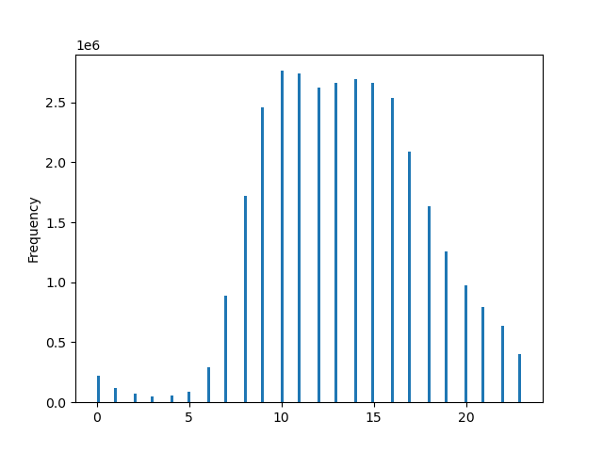
Order Hour of Day

The Analysis shows that the busiest days of the week are Saturday and Sunday, wich is to be expected for the weekends.The second chart also shows that the hours between 9am and 5pm have the highest number of orders.

Hour


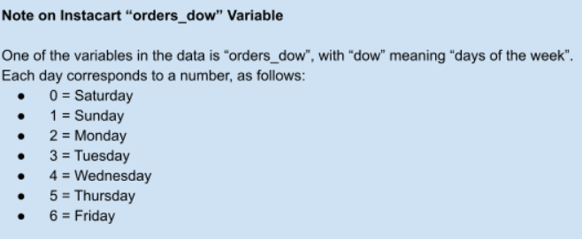

They also want to know whether there are particular times of the day when people spend the most money, as this might inform the type of products they advertise at these times.

Money spent by hour projection


In this graph we can see that the price spikes at 10am and rise until 5pm where it takes a downward trend. Adding this to our previous graphs we can say that the hours that people spend most money is during the hours of 10am to 5pm.

Instacart has a lot of products with different price tags. Marketing and sales want to use simpler price range groupings to help direct their efforts.

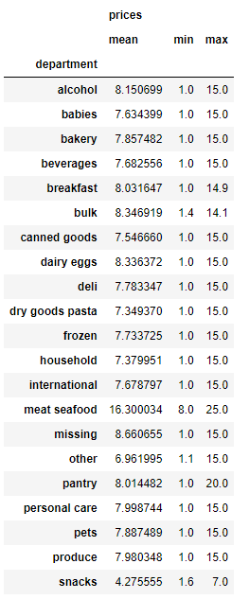

Prices range from $1 to $25. Three group ranges where created to simplify product ranges. Inthe histogram we can see that most products range from $1 to $15, the range that has the most activity, with prices $15 to $25 being the high range, and least amough of products.


Product Prices

Price

Are there certain types of products that are more popular than others? The only marketing and sales teams want to know which departments have the highest frequency of product orders.

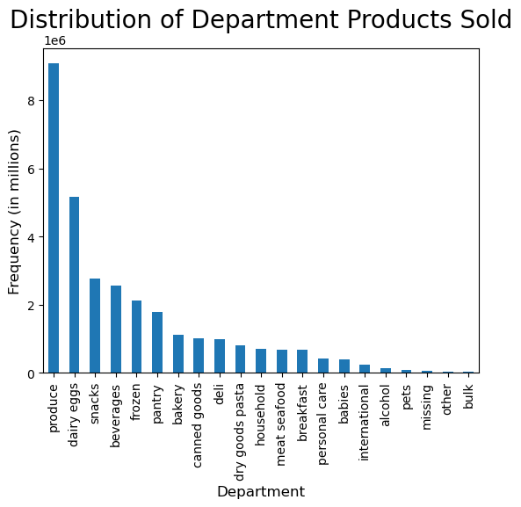

Produce is the top department with over 9 million products ordered. Dairy/eggs is a close second with over 5 million products ordered.
Here is a list of number of products sold by department ranked from most to least.

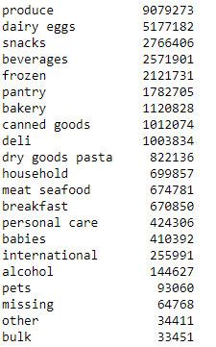

What’s the distribution among users in regards to their brand loyalty (i.e., how often do they return to Instacart)?

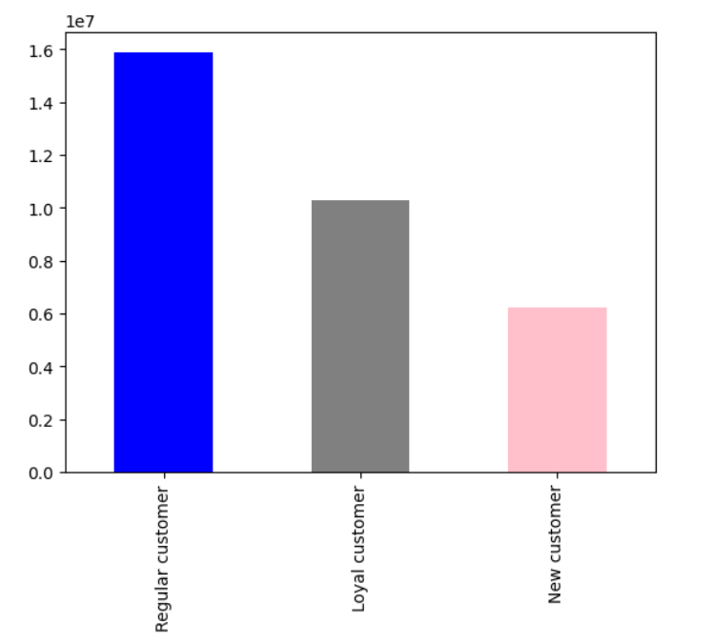

Customers where divided by loyalty as follows:
Regular Customer : 10 < max_order <= 40
Loyal Customer : max_order > 40
New Customer : max_order <= 10
Regular customers are the most frequent customers from the three loyalty groups.

Are there differences in ordering habits based on a customer’s loyalty status?

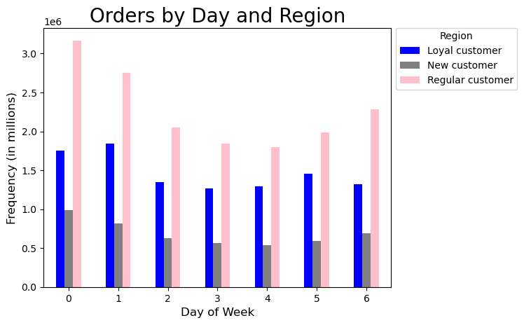

Analysis was done on customer's loyalty status of orders placed by day of the week.
Regular customers have the highest order fequency on every day of the week. With Saturday being the busiest day.
The differences come from Loyal customers who seem to puchase more on Sundays than Saturdays, and also purchase more on Thursdays than Friday.

Are there differences in ordering habits based on a customer’s region?

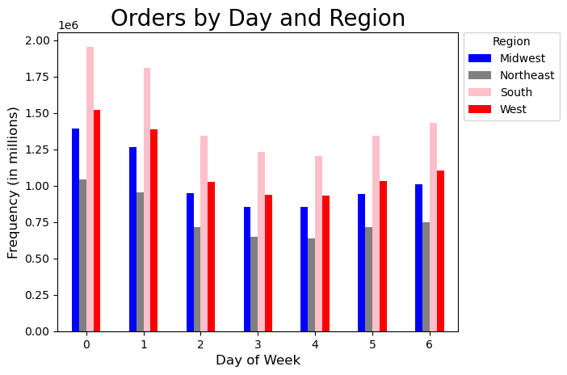

Analysis was made of orders by day of the week in each region and also by hour of day.
From the analysis we can see that The Southern(South) region has the most fequent orders placed. Followed by the West, Midwest and the Northeast region being the least frequency of orders.
There seems to be no difference in habits aside from frequency.

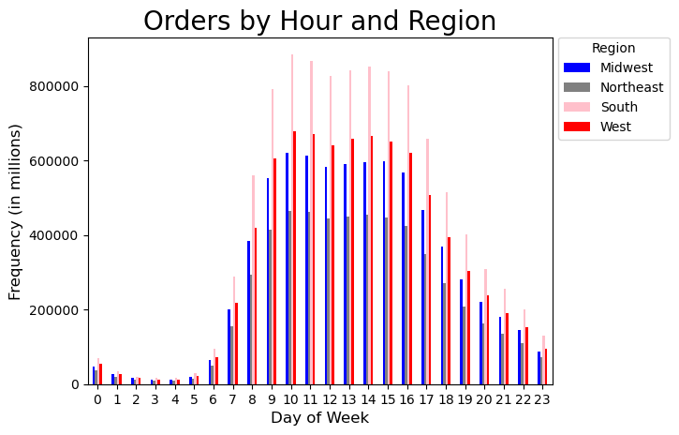

Are there differences in ordering habits Is there a connection between age and family status in terms of ordering habits? on a customer’s region?

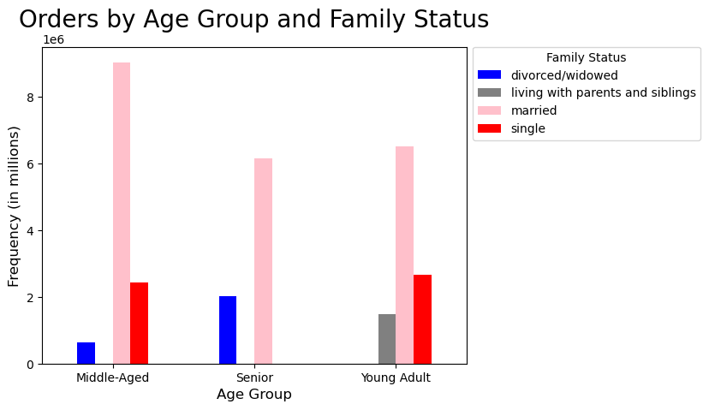
Age was broken down into three groups:
Young Adult : 18 - 39 years
Middle-Aged : 40 - 64 years
Senior : 65+ years
Family status had four entries:
divorced/widowed
living with parents and siblings
married
single
In each age group we can see that the married customers are the ones that have the most orders, followed by single customers.

What different classifications does the demographic information suggest? Age? Income? Certain types of goods? Family status?

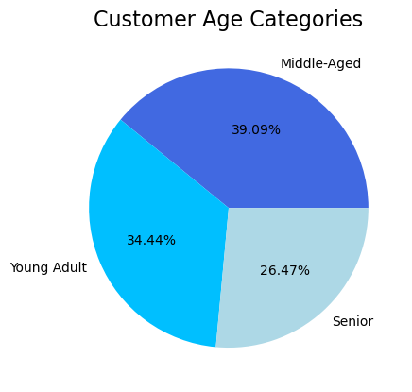

Age
Based off the Age groups established, we can see that Middle-aged customers make up almost 40% of the customer base of Instacart with Young adults close second with over 34% of the customer base.
Seniors are teh smaller group of the three.

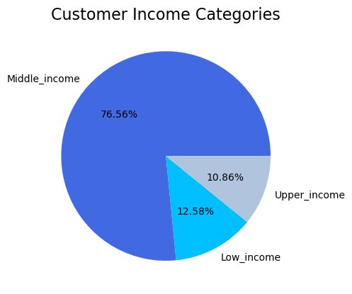

Income
Income groups where divided as follows:
Low income < $50,000
Middle Income >= $50,000 & < $150,000
High Income = $150,000
By far the biggest income group is th Middle income, with over 76% of all instacarts purchases.
In this histogram ahead we can see a corralation with higher ages and higher incomes.


Histogram Age by Income

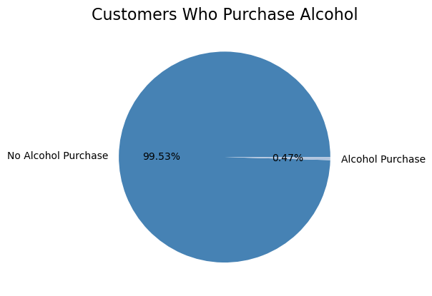
Alcohol
When analysing different departments, Alcohol was chosen to see what impact it has across all instacart regions. Customers where divided into those that have purchased alcohol and those that have not.
In the pie chart we can see that Alcohol only makes up a little under .5% of all sales.

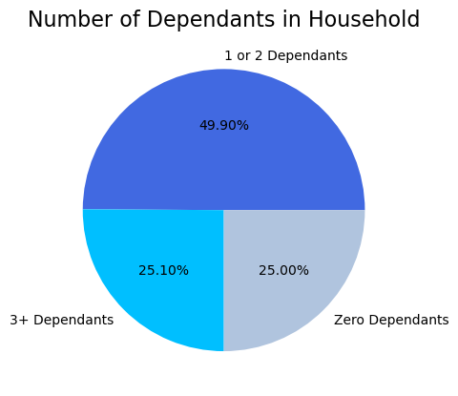

Family Status
Household groups where created to see the impact each group has on instacart sales, each group was divided as follows:
Single Household = No Dependant
Medium Household = 1-2 Dependant
Large Household = 3+ Dependant
In this pie chart we can see that Medium household account for almost 50% of all instacart customers. With large and singe households making up the other 50%

What differences can you find in ordering habits of different customer profiles? Consider the price of orders, the frequency of orders, the products customers are ordering, and anything else you can think of.

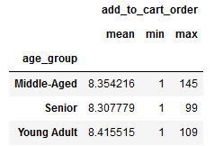
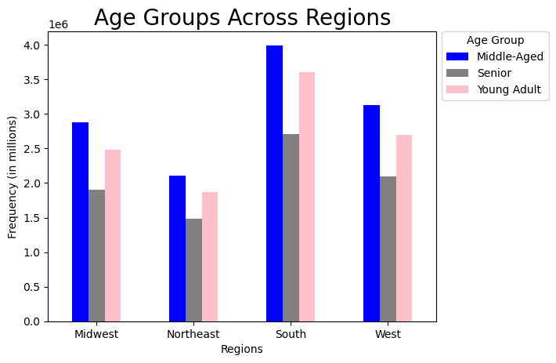
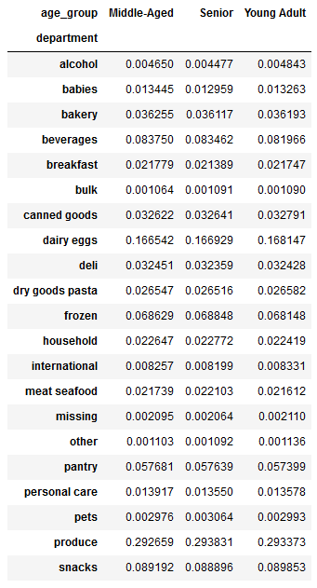

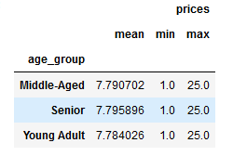

Aside from the South having the most of any of the categories, there is little to no difference between Age group and regions.

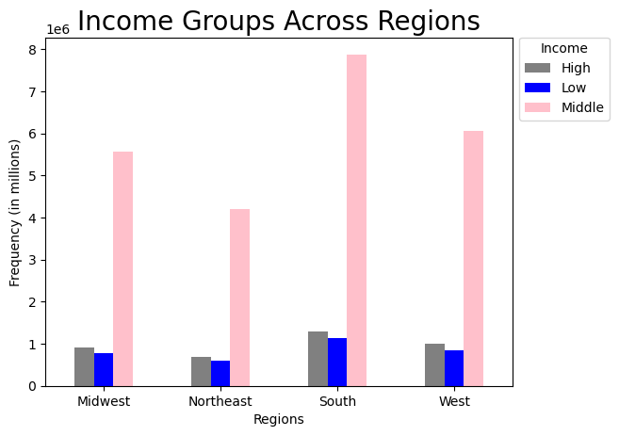
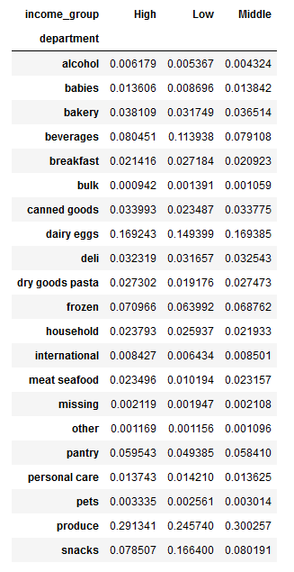
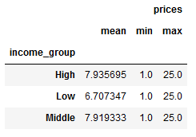

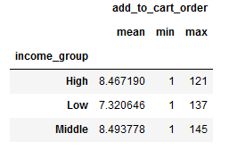

We can see a difference in the Meat/Seafood, Produce, Snack, and Beverages deparments between income groups.
The High/Middle income group spends a bigger percent of their purchases in the Produce and Meat/Seafood departments, where the Low income groups spends more in the Snacks and Beverages departments.

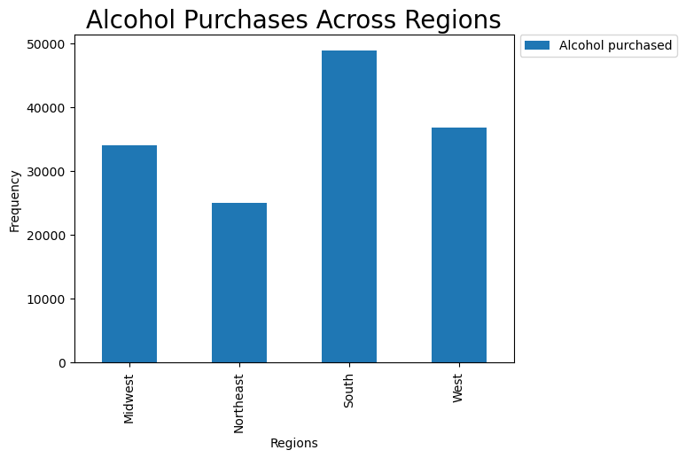
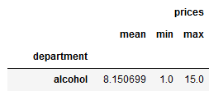

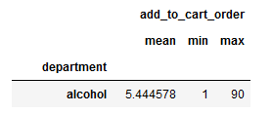

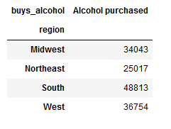

Alcohol sales are higher in the South, as most other departments.

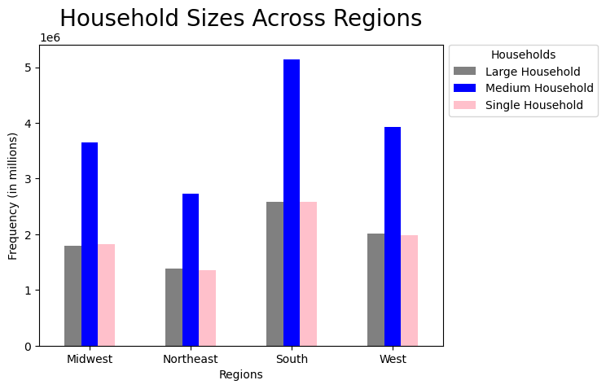
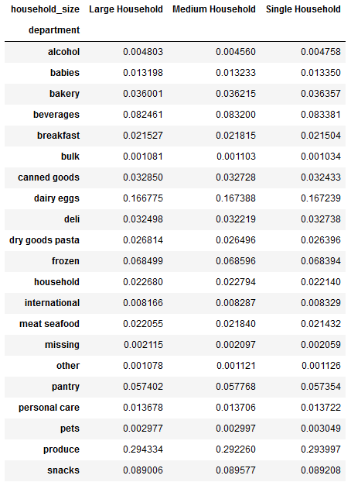
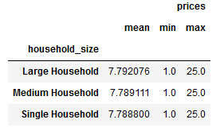

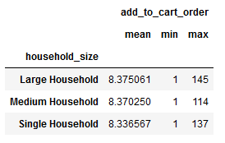

Household size dont have any aparent difference accross regions. Purchases look almost identical accross the board.

7. Recommendations
 |  | Title page

Recommendations

Question | Answer

1. The sales team needs to know what the busiest days of the week and hours of the day are in order to schedule ads at times when there are fewer orders. | The busiest days of the week are Saturday and Sunday. Recommend providing additional ads during the weekdays, Monday to Friday, seeing as the weekend has a high number of orders.

2. They also want to know whether there are particular times of the day when people spend the most money, as this might inform the type of products they advertise at these times. | The hours between 9am and 5pm have the most purchase orders. Further analysis can be done to narrow down what products are being ordered the most, offering promotions on these items or others that are not selling as much.

3. Instacart has a lot of products with different price tags. Marketing and sales want to use simpler price range groupings to help direct their efforts | Product prices range from $1 to $25. Price ranges were made for all products, and were divided as follows: Low range product (less than $5) Mid-range product (between $5 and $15) High range product (greater than $15). The majority of the purchases made were within the Mid-range product. Recommend providing additional ads and promotions for this product group, and discounts for the High range products at the same time.

4. Are there certain types of products that are more popular than others? The only marketing and sales teams want to know which departments have the highest frequency of product orders. | The top selling department is Produce, followed by dairy/eggs, and snacks and beverages as third. It is recommended to run promotions/ads for these departments as they will attract the most interest.

5. What’s the distribution among users in regards to their brand loyalty (i.e., how often do they return to Instacart)? | Customers were divided into three groups based on number of orders placed. And where divided as follows: New customer (orders less than 10) Regular customer (orders between 10 and 40) Loyal customers (orders greater than 40). Majority of users fall within the Regular customer category, followed by Loyal customers. Recommend providing a Rewards programs to these two groups, tiers can be set to provide additional perks.

6. Are there differences in ordering habits based on a customer’s loyalty status? | Regular customers have the highest order frequency on every day of the week. With Saturday being the busiest day. The differences come from Loyal customers who seem to purchase more on Sundays than Saturdays, and purchase more on Thursdays than Friday. Recommended to focus promotions on each group on the day they shop the most.

7. Are there differences in ordering habits based on a customer’s region? | The Southern region has the highest number of purchasing orders. There are no differences in ordering habits when comparing across regions. Recommend a higher number of promotions for the South region when discussing budget.

8. Is there a connection between age and family status in terms of ordering habits? | Age was broken into 3 distinct groups: Young adult (18 - 39 years) Middle-Aged (40 - 64 years) Senior (65+ years). Most orders purchased were from customers that were married in each age group. Recommend that there be specific promotions for married customers.

9. What different classifications does the demographic information suggest? Age? Income? Certain types of goods? Family status? | When comparing the frequency of orders across different demographics, there is a group of customers that spends the most. Age groups, middled-age customers spend the most. Income groups, middle income customers spend the most. Family status, married customers buy the most. Household size, medium household spend the most. The data suggests that married middle-aged, middle income customers with medium sized households spend the most on Instacart.

10. What differences can you find in ordering habits of different customer profiles? Consider the price of orders, the frequency of orders, the products customers are ordering, and anything else you can think of. | The analysis does not show much difference between customer profiles. There are minimal differences in the department spending, with higher income customers spending more on meat/seafood and produce, with lower income spending more on snacks/beverages. But overall, there is a very consistent and similar purchase pattern and preferences.

Final Recommendations: Instacart should focus on middle-aged, middle income married households based in the Southern regions. Promotions should be focused on Mid to low range products in produce, dairy/eggs, snacks. Ads to bring in more revenue should be done during the week, more specifically Monday - Thursday, as these days have less orders and would benefit from extra sales. Loyalty programs can be considered as well, customers can earn points and promotions for being frequent customers and bring more revenue in.

